CC in Chemical Industry
From the POTEnCIA central scenario data it is not apparent which fuel was used to power the energy-intensive process of CCS. We therefore make our own calculations and assumptions (see Carbon Capture Calculations).

 | 2017 | 2018 | 2019 | 2020 | 2021 | 2022 | 2023 | 2024 | 2025 | 2026 | 2027 | 2028 | 2029 | 2030 | 2031 | 2032 | 2033 | 2034 | 2035 | 2036 | 2037 | 2038 | 2039 | 2040 | 2041 | 2042 | 2043 | 2044 | 2045 | 2046 | 2047 | 2048 | 2049 | 2050
Process Emissions | 52790.214548 | 53536.325807 | 54445.752343 | 55399.935918 | 56062.411092 | 56770.577749 | 57347.246337 | 57785.45739 | 58320.636314 | 58893.023129 | 59498.435012 | 60058.764532 | 60552.769206 | 60897.093713 | 61332.95416 | 61425.730549 | 61215.449142 | 60345.759293 | 59047.882114 | 58653.054246 | 56185.511076 | 53495.532025 | 51180.145351 | 48537.959144 | 47263.005074 | 45206.303272 | 42789.801697 | 39875.759186 | 39302.118191 | 37384.794543 | 32654.22513 | 31833.977945 | 28849.452841 | 26160.510145
Electricity | 15679.567941 | 15815.97604 | 15917.091691 | 16206.44026 | 16286.788393 | 16365.597329 | 16368.560568 | 16487.736411 | 16482.819723 | 16602.603748 | 16609.063887 | 16712.248903 | 16763.774607 | 16789.979595 | 16850.622028 | 16936.136305 | 17006.072328 | 17076.094358 | 17118.442997 | 17227.150108 | 17304.839546 | 17412.563831 | 17502.303771 | 17595.17828 | 17710.83582 | 17857.230381 | 17944.958266 | 18119.968945 | 18264.629318 | 18454.933231 | 18645.006343 | 18800.658993 | 18982.954321 | 19170.695737
Natural Gas | 17929.612084 | 17854.576273 | 17683.216032 | 17693.436594 | 17691.479888 | 17587.706921 | 17255.678545 | 17169.687891 | 17143.554563 | 17141.668117 | 16998.505585 | 17033.47697 | 17006.989179 | 16805.36474 | 16828.430626 | 16668.887277 | 16446.46061 | 16278.943563 | 15886.415338 | 15944.474323 | 15724.743871 | 15502.333559 | 15286.772475 | 15083.637533 | 14680.032423 | 14430.674787 | 13800.15897 | 13559.280624 | 13353.126898 | 13019.02573 | 12368.242345 | 12018.762885 | 11756.786578 | 11281.775683
Steam Distributed | 7502.3186347 | 7648.5285847 | 7829.4683378 | 8081.9103942 | 8399.8050924 | 8821.9405749 | 9499.4904594 | 9823.6383831 | 10104.158299 | 10463.771791 | 10998.889426 | 11307.601741 | 11493.458989 | 12037.671203 | 12288.435752 | 12721.040273 | 13295.356502 | 13605.824841 | 14220.010634 | 14365.522788 | 14786.868199 | 15269.744655 | 15701.101228 | 16123.139511 | 16763.824238 | 17244.234014 | 17940.981186 | 18250.835975 | 18542.593179 | 18995.466886 | 19662.06903 | 20280.823836 | 20642.623851 | 21188.498123
Non-energy Use Natural Gas | 13858.417207 | 14202.160504 | 14611.064208 | 15037.526983 | 15426.745974 | 15845.169983 | 16389.650085 | 16720.441052 | 17045.837989 | 17397.829957 | 18001.100246 | 18424.983807 | 18628.975493 | 19145.086002 | 19484.068904 | 19858.083507 | 20282.909393 | 20494.548673 | 20821.648211 | 20950.71369 | 21114.488222 | 21278.877205 | 21386.504411 | 21494.069705 | 21628.746141 | 21751.734263 | 21872.231519 | 21962.125925 | 22010.701575 | 22064.907852 | 22088.220144 | 22090.786443 | 22161.860632 | 22151.538313
Non-Energy Use Liquids | 63083.702068 | 63669.505123 | 64194.653895 | 64661.647007 | 64782.807539 | 64962.337876 | 64372.068052 | 64122.006519 | 64067.184699 | 63943.39582 | 63148.688097 | 62798.800384 | 62996.994747 | 62009.790372 | 61739.696423 | 61283.865891 | 60237.836305 | 60133.943291 | 59347.24327 | 59675.848885 | 59536.253388 | 59360.967644 | 59202.42991 | 59083.142131 | 58615.998273 | 58423.622322 | 57305.922628 | 57065.929303 | 56899.834421 | 56723.849307 | 56027.15872 | 55832.538525 | 56021.68166 | 55475.100081

CAGR | 2021-2030 | 2031-2040 | 2041-2050
Electricity | 0.3% | 0.4% | 0.8%
Natural Gas | -0.5% | -1.1% | -2.6%
Steam Distributed | 3.7% | 2.8% | 2.4%
Carbon Capture and Energy Consumption in Chemical Industry
Non-energy Use Natural Gas | 2.2% | 1.0% | 0.2%
Non-Energy Use Liquids | -0.4% | -0.4% | -0.5%

Carbon Capture and Electricity Consumption in Chemical Industry

Carbon Capture Calculations
In the Potencia Central Scenario, the amount of energy that is used for CCS is included in the final energy consumption of the industry sector.

Source: CCS in industry sector in POTENCIA Central Scenario
Data directly requested from Joint Research Centre in May 2020

POTENCIA Central-2018 carbon capture [t CO2]
Code | Country | Sector | 2028 | 2029 | 2030 | 2031 | 2032 | 2033 | 2034 | 2035 | 2036 | 2037 | 2038 | 2039 | 2040 | 2041 | 2042 | 2043 | 2044 | 2045 | 2046 | 2047 | 2048 | 2049 | 2050
EU28 | European Union (before 2020) | Iron and Steel | 23,771 | 48,032 | 88,223 | 115,236 | 345,478 | 655,204 | 1,370,797 | 2,164,359 | 2,645,019 | 4,115,973 | 5,628,598 | 6,823,324 | 8,183,865 | 8,795,774 | 9,863,678 | 10,779,296 | 12,125,603 | 12,391,205 | 13,259,071 | 15,062,654 | 15,157,297 | 16,507,538 | 17,327,989
EU28 | European Union (before 2020) | Non-ferrous metals | 7,049 | 14,017 | 25,954 | 34,200 | 101,155 | 196,568 | 408,381 | 647,385 | 789,540 | 1,213,132 | 1,673,228 | 2,043,778 | 2,447,024 | 2,639,281 | 2,957,689 | 3,226,024 | 3,657,152 | 3,759,694 | 4,028,007 | 4,601,027 | 4,659,854 | 5,078,960 | 5,367,012
EU28 | European Union (before 2020) | Chemicals | 63,780 | 121,355 | 229,015 | 303,716 | 889,428 | 1,763,710 | 3,578,083 | 5,772,675 | 6,975,761 | 10,834,647 | 14,943,645 | 18,429,546 | 22,298,191 | 24,205,886 | 27,231,668 | 30,243,762 | 34,189,031 | 35,142,225 | 37,708,983 | 43,152,968 | 43,945,780 | 47,780,409 | 50,644,314
EU28 | European Union (before 2020) | Cement | 93,670 | 189,948 | 350,761 | 457,357 | 1,375,900 | 2,640,627 | 5,548,928 | 8,803,566 | 10,787,132 | 17,012,400 | 23,348,569 | 29,110,529 | 35,776,295 | 39,352,211 | 44,815,814 | 49,397,163 | 54,710,296 | 55,766,666 | 59,639,520 | 69,074,768 | 69,819,707 | 76,339,711 | 80,748,894
EU28 | European Union (before 2020) | Glass, ceramics & other NMM | 18,928 | 37,065 | 70,964 | 90,452 | 271,912 | 521,006 | 1,070,394 | 1,708,744 | 2,074,906 | 3,213,609 | 4,385,403 | 5,376,747 | 6,437,496 | 6,952,185 | 7,819,875 | 8,660,280 | 9,775,701 | 10,065,941 | 10,766,935 | 12,303,018 | 12,484,718 | 13,555,213 | 14,304,858

Electricity Demand for CCS in Cement, Glass, ceramics & other sectors

For the non-metallic minerals sector we assume Oxyfuel-CCS as the basic CCS technology.

Source: CCS Specific energy requirement
Potenziale und Chancen der Technologie zur CO2-Abtrennung und -Ablagerung (CCS) für industrielle Prozessemissionen (German)
https://www.oeko.de/oekodoc/1504/2012-070-de.pdf
Table 7 p. 38
Comparison of energy requirement for the whole Oxyfuel CCS Process in Industry and power plants considering energy efficiency in large-scale air separation units.

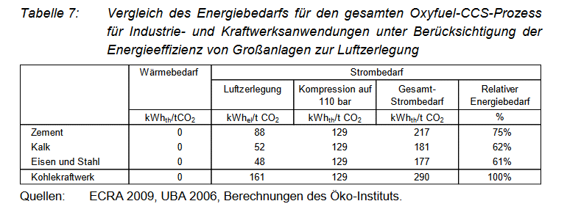

For cement and lime we retrieve the following value for the electricity consumption of oxyfuel CCS.

Total electricity consumption for Oxyfuel CCS in different sectors in kWhth/t CO2
Cement | 217
Lime | 181

We use the following conversion factor from to get from kWh to ktoe
 | 8.5984523E-08

Total electricity consumption for Oxyfuel CCS in different sectors in ktoe/t CO2
Cement | 1.8658641491E-05
Lime | 1.5563198663E-05

Total electricity consumption for Oxyfuel CCS in Cement sector and Lime and Ceramics sector in ktoe/t CO2 captured
 | 2017 | 2018 | 2019 | 2020 | 2021 | 2022 | 2023 | 2024 | 2025 | 2026 | 2027 | 2028 | 2029 | 2030 | 2031 | 2032 | 2033 | 2034 | 2035 | 2036 | 2037 | 2038 | 2039 | 2040 | 2041 | 2042 | 2043 | 2044 | 2045 | 2046 | 2047 | 2048 | 2049 | 2050
Cement | 0 | 0 | 0 | 0 | 0 | 0 | 0 | 0 | 0 | 0 | 0 | 1.7 | 3.5 | 6.5 | 8.5 | 25.7 | 49.3 | 103.5 | 164.3 | 201.3 | 317.4 | 435.7 | 543.2 | 667.5 | 734.3 | 836.2 | 921.7 | 1,020.8 | 1,040.5 | 1,112.8 | 1,288.8 | 1,302.7 | 1,424.4 | 1,506.7
Lime | 0 | 0 | 0 | 0 | 0 | 0 | 0 | 0 | 0 | 0 | 0 | 0.3 | 0.6 | 1.1 | 1.4 | 4.2 | 8.1 | 16.7 | 26.6 | 32.3 | 50.0 | 68.3 | 83.7 | 100.2 | 108.2 | 121.7 | 134.8 | 152.1 | 156.7 | 167.6 | 191.5 | 194.3 | 211.0 | 222.6

Electricity Demand for CCS in Iron and Steel, Non-ferrous metals and chemicals sector

For these sectors we assume a post-combustion CCS technology, as especially for the iron and steel sector there are large volumes of waste gases with a comparatively low CO2 concentration.
Besides, the data in the POTENCIA scenario do not indicate a change of process in the integrated steelworks, as this would be the case with HISARNA-CCS or other processes.

Source: CCS Specific energy requirement
Potenziale und Chancen der Technologie zur CO2-Abtrennung und -Ablagerung (CCS) für industrielle Prozessemissionen (German)
https://www.oeko.de/oekodoc/1504/2012-070-de.pdf
Table 5 p. 33
Comparison of energy requirement for the whole Post-Combustion-CCS Process in Industry and power plants.

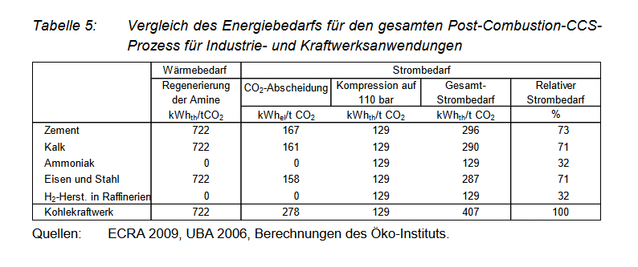

Total electricity consumption for Post-Combustion-CCS in different sectors in kWhth/t CO2
 | electricity | heat consumption for amine gas treatment
Iron and Steel | 287 | 722
Ammonia | 129 | 0

We assume that in the Iron and Steel Sector there is enough excess derived heat to supply for the heat requirement of CCS, so that no additional fuel has to be used

Total electricity consumption for Post-Combustion-CCS in Iron and Steel sector in ktoe/t CO2 captured
 | 2017 | 2018 | 2019 | 2020 | 2021 | 2022 | 2023 | 2024 | 2025 | 2026 | 2027 | 2028 | 2029 | 2030 | 2031 | 2032 | 2033 | 2034 | 2035 | 2036 | 2037 | 2038 | 2039 | 2040 | 2041 | 2042 | 2043 | 2044 | 2045 | 2046 | 2047 | 2048 | 2049 | 2050
Iron and Steel | 0.00 | 0.00 | 0.00 | 0.00 | 0.00 | 0.00 | 0.00 | 0.00 | 0.00 | 0.00 | 0.00 | 0.59 | 1.19 | 2.18 | 2.84 | 8.53 | 16.17 | 33.83 | 53.41 | 65.27 | 101.57 | 138.90 | 168.38 | 201.96 | 217.06 | 243.41 | 266.01 | 299.23 | 305.78 | 327.20 | 371.71 | 374.05 | 407.37 | 427.61

For non-ferrous metals we assume they have the same electricity requirement for CCS as iron and steel.
In reality their energy requirement for CCS would probably be higher than iron and steel, as the CO2 concentration is comparatively low, but the effect for this variable will be neglible.

Total electricity consumption for Post-Combustion-CCS in non-ferrous metals sector in ktoe/t CO2 captured
 | 2017 | 2018 | 2019 | 2020 | 2021 | 2022 | 2023 | 2024 | 2025 | 2026 | 2027 | 2028 | 2029 | 2030 | 2031 | 2032 | 2033 | 2034 | 2035 | 2036 | 2037 | 2038 | 2039 | 2040 | 2041 | 2042 | 2043 | 2044 | 2045 | 2046 | 2047 | 2048 | 2049 | 2050
Non-Ferrous Metals | 0.00 | 0.00 | 0.00 | 0.00 | 0.00 | 0.00 | 0.00 | 0.00 | 0.00 | 0.00 | 0.00 | 0.17 | 0.35 | 0.64 | 0.84 | 2.50 | 4.85 | 10.08 | 15.98 | 19.48 | 29.94 | 41.29 | 50.44 | 60.39 | 65.13 | 72.99 | 79.61 | 90.25 | 92.78 | 99.40 | 113.54 | 114.99 | 125.34 | 132.44

Chemicals
Based on the following table we make assumptions on the energy requirement for the 3 most CO2-intensive chemical processes
The main CO2-intensive chemical processes are steam methane reforming for the production of hydrogen/syngas or ammonia, and steam crackers

Source: Energy Efficiency and and GHG emissions: Prospective Scenarios for the Chemical and Petrochemical Industry
Joint Research Centre 2017
https://publications.jrc.ec.europa.eu/repository/bitstream/JRC105767/kj-na-28471-enn.pdf
Table 15, p. 33

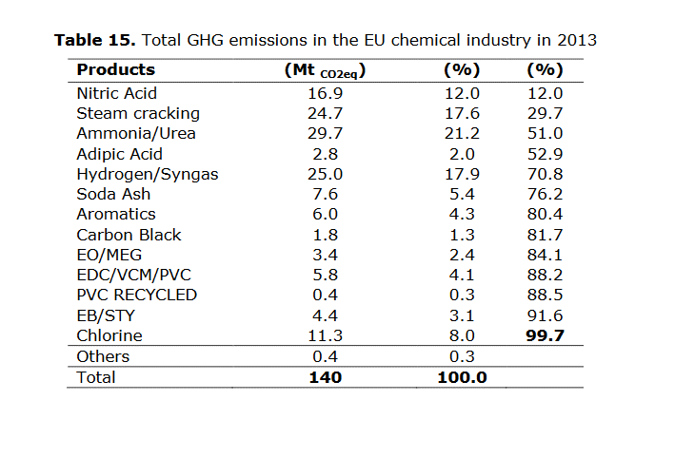

Based on the table the share of emissions of these three sectors are as follows

 | Mt of CO2e | Percentage
TOTAL three processes | 79.4 | 100%
hydrogen/syngas | 25 | 31%
Ammonia | 29.7 | 37%
Steam cracking/CHP plants | 24.7 | 31%

Because of the similarity of the process including methane steam reforming, we assume that the electricity requirement for CCS is the same of ammonia and hydrogen production

Total electricity consumption for Post-Combustion-CCS in Chemical sector for ammonia in ktoe/t CO2 captured
 | 2017 | 2018 | 2019 | 2020 | 2021 | 2022 | 2023 | 2024 | 2025 | 2026 | 2027 | 2028 | 2029 | 2030 | 2031 | 2032 | 2033 | 2034 | 2035 | 2036 | 2037 | 2038 | 2039 | 2040 | 2041 | 2042 | 2043 | 2044 | 2045 | 2046 | 2047 | 2048 | 2049 | 2050
hydrogen/syngas | 0.00 | 0.00 | 0.00 | 0.00 | 0.00 | 0.00 | 0.00 | 0.00 | 0.00 | 0.00 | 0.00 | 0.22 | 0.42 | 0.80 | 1.06 | 3.11 | 6.16 | 12.50 | 20.16 | 24.36 | 37.84 | 52.19 | 64.36 | 77.88 | 84.54 | 95.11 | 105.62 | 119.40 | 122.73 | 131.70 | 150.71 | 153.48 | 166.87 | 176.87
ammonia | 0.00 | 0.00 | 0.00 | 0.00 | 0.00 | 0.00 | 0.00 | 0.00 | 0.00 | 0.00 | 0.00 | 0.26 | 0.50 | 0.95 | 1.26 | 3.69 | 7.32 | 14.85 | 23.95 | 28.94 | 44.95 | 62.00 | 76.46 | 92.52 | 100.43 | 112.98 | 125.48 | 141.85 | 145.81 | 156.46 | 179.04 | 182.33 | 198.24 | 210.12

As it was difficult to find data for the the energy requirement of CCS in steam cracking we just assume that the remaining CCS in the chemical sector is done in industrial CHP plants of the chemical industry

CCS Energy Requirement for industrial CHP plants

Source: David, Jeremy and Howard Herzog
unknown (sometime after 2012)
The Cost of Carbon Capture
http://sequestration.mit.edu/pdf/David_and_Herzog.pdf
Table 2

The cost of carbon capture
Cycle | IGCC | IGCC | PC | PC | NGCC | NGCC
Data Description | 2000 | 2012 | 2000 | 2012 | 2000 | 2012
Input
Capital Cost, $/kW | 1401 | 1145 | 1150 | 1095 | 542 | 525
O&M, mills/kWh | 7.9 | 6.1 | 7.4 | 6.1 | 2.5 | 2.4
Heat Rate (LHV), Btu/kWh | 8081 | 7137 | 8277 | 8042 | 6201 | 5677
Incremental Capital Cost, $/(kg/h) | 305 | 275 | 529 | 476 | 921 | 829
Incremental O&M, mills/kg | 2.65 | 2.39 | 5.56 | 5 | 5.2 | 4.68
Energy Requirements, kWh/kg | 0.194 | 0.135 | 0.317 | 0.196 | 0.354 | 0.297

We assume that most industrial CHP plants in the chemical industry are natural gas-fired thermal power plants and therefore use data for NGCC (Natural Gas Combined Cycle).

CCS Energy Requirement for industrial CHP in KWh/ t CO2
Industrial CHP Plant | 297

Total natural gas consumption for Post-Combustion-CCS in Chemical sector for Industrial CHP in ktoe/t CO2 captured

 | 2017 | 2018 | 2019 | 2020 | 2021 | 2022 | 2023 | 2024 | 2025 | 2026 | 2027 | 2028 | 2029 | 2030 | 2031 | 2032 | 2033 | 2034 | 2035 | 2036 | 2037 | 2038 | 2039 | 2040 | 2041 | 2042 | 2043 | 2044 | 2045 | 2046 | 2047 | 2048 | 2049 | 2050
Industrial CHP | 0 | 0 | 0 | 0 | 0 | 0 | 0 | 0 | 0 | 0 | 0 | 0.51 | 0.96 | 1.82 | 2.41 | 7.07 | 14.01 | 28.43 | 45.86 | 55.42 | 86.07 | 118.72 | 146.41 | 177.14 | 192.30 | 216.34 | 240.26 | 271.61 | 279.18 | 299.57 | 342.82 | 349.12 | 379.58 | 402.33

